Annex-KPIsReferenceGuide
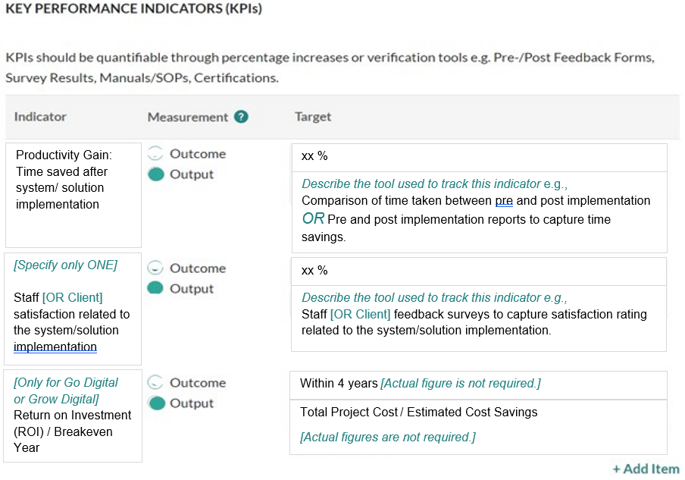
Annex - KPIs Reference Guide
Agencies are required to fulfil the following Output KPIs for each IT Solution project:
· Productivity gain (20%)
· Staff / client satisfaction (70%)
· [Only for Go Digital or Grow Digital]: Return of Investment (ROI) / Breakeven Year (Project costs to breakeven within 4 years)

Fill in the KPI table in the Proposal section of your application on OurSG Grants Portal according to the following example:

