Application Guidelines
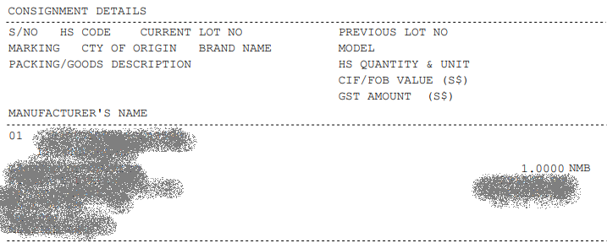
Application Guidelines | Please select the type of supervision operation
1. Please click here for the guide on the calculation of the potential duty and GST. (Link - https://www.customs.gov.sg/businesses/valuation-duties-taxes-and-fees/duties-and-dutiable-goods/) | 1. S&D of ZGS Goods
2. Please click here for the guide on the duty rates of the dutiable goods. (Link - https://www.customs.gov.sg/businesses/valuation-duties-taxes-fees/duties-and-dutiable-goods/list-of-dutiable-goods/) | 2. S&D of Dutiable Liquors
3. The field "CURRENT LOT NO. (in Customs permit)" refers to the lot number specified in the Customs permit (circled in green), as illustrated below. | 3. S&D of Dutiable Tobacco
4. The field "S/NO. OF ITEM IN PERMIT" refers to the line item number of the specified item in the Customs permit (circled in red), as illustrated below. | 4. S&D of Dutiable Motor Vehicles
5. For applicants applying survey and destruction (S&D) for more than one type of supervision operation, please submit all the relevant forms. | 5. S&D of Dutiable Petroleum
6. If supervision is required, you will receive a separate notification to book the supervision slots. | 6. Denaturing of Ethyl Alcohol
7. Application to be submitted at least one week in advance of intended destruction date | 7. Brew Sampling
8. For destruction of controlled goods, prior written approval from the relevant Controlling Agency (CA) MUST be obtained
9. Within 4 working days from completion of the destruction, a photocopy of disposal certificate must be submitted to the Customs

Sample of a Customs permit

